Sheet1
 | Paia | Totali | 8,300 |  |  |  |  |  |  | 6 | 10 | 22 | 24 | 24 | 26 | 17 | 19 | 14 | 1 | 11

 |  | Man |  | 5,500 |  |  |  |  |  |  |  | 15 | 14 | 16 | 18 | 17 | 13 | 12 | 1 | 11

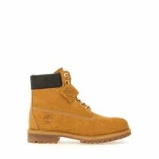

 |  |  |  |  |  | TB1100617131WHEAT
 |  |  |  |  |  | STIVALE STRINGATO IMPERMEABILE 104,55 230,00 Bangladesh

 |  |  |  |  | P | 4 | 4½ | 5 | 5½ | 6 | 6½ | 7 | 7½ | 8 | 8½ | 9 | 9½ | 10 | 10½ | 11 | 11½ | 12 | 12½ | 13

4,400 |  |  |  |  |  |  |  |  |  |  |  | 500 | 500 | 500 | 500 | 400 | 400 | 400 | 400 | 400 | 400

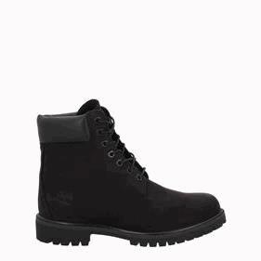

 |  |  |  |  |  | TB1100730011BLACK
 |  |  |  |  |  | STIVALE STRINGATO IMPERMEABILE 104,55 230,00 Bangladesh

 |  |  |  |  | P | 4 | 4½ | 5 | 5½ | 6 | 6½ | 7 | 7½ | 8 | 8½ | 9 | 9½ | 10 | 10½ | 11 | 11½ | 12 | 12½ | 13

1,100 |  |  |  |  |  |  |  |  |  |  |  | 100 | 100 | 100 | 200 | 200 | 100 | 100 | 100 | 100

 |  | Woman |  | 2,800 |  |  |  |  |  | 6 | 10 | 7 | 10 | 8 | 8 |  | 6 | 2

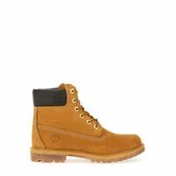

 |  |  |  |  |  | TB1103617131WHEAT
 |  |  |  |  |  | STIVALE STRINGATO IMPERMEABILE 104,55 230,00 Bangladesh

 |  |  |  |  | R | 3½ | 4 | 4½ | 5 | 5½ | 6 | 6½ | 7 | 7½ | 8 | 8½ | 9 | 9½ | 10 | 10½ | 11

2,800 |  |  |  |  |  |  |  |  |  | 300 | 400 | 400 | 400 | 400 | 300 | 300 | 200 | 100

